Recommendations
RETENTION RATE
Year | Employee Turnover Rate | New Hire | Separation
2011 | 18% | 105 | 51
2012 | 23% | 158 | 79
2013 | 17% | 131 | 71
2014 | 15% | 144 | 72
2015 | 19% | 232 | 109
2016 | 19% | 220 | 132
2017 | 19% | 295 | 150
2018 | 14% | 201 | 125
2019 | 15% | 260 | 151
2020 | 13% | 256 | 151

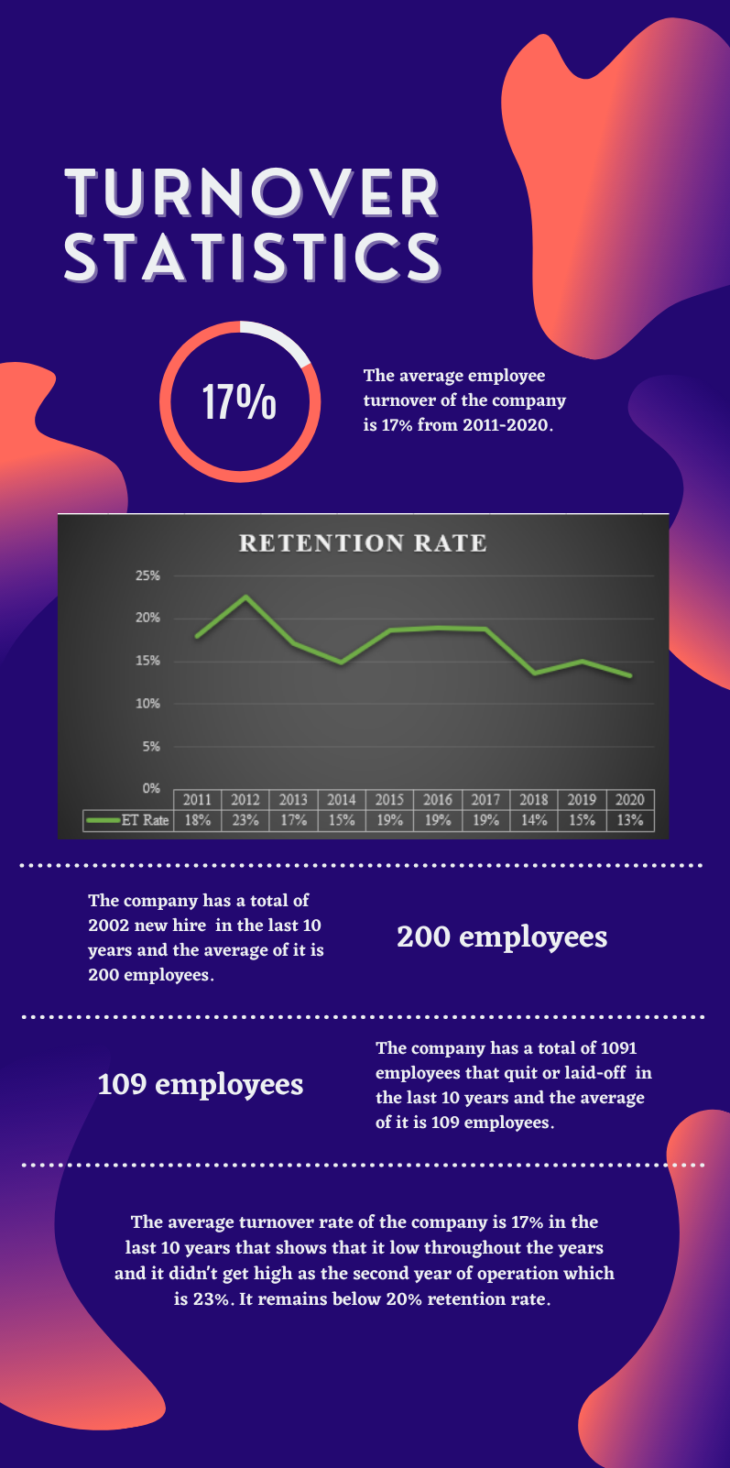
Total |  | 2002 | 1091
Average | 17% | 200 | 109

